1. Title Page
Basket Profiling Strategies: Elevating Instacart's Customer Segmentation Game

Project Name: Elevating Instacart's Customer Segmentation Game
Date: 01/28/2024
Analyst Name: Raul Brand

Contents:
Population Flow
Consistency checks
Wrangling steps
Column derivations
Visualizations
Recommendations

2. Population Flow
Title page

Population flow

Orders_products_combined
Orders_products_merged
Combined_df

Total: 32,434,489
Total: 32,404,859
Total: 939,915

3. Consistency checks
 |  |  |  | Title page
Consistency checks

Dataset | Missing values | Missing values treatment | Duplicates
orders | 206,209 | Dropped | 0
products | 16 | Dropped | 5
orders_products_prior | 26 | Average | 0
customers | 11,259 | Dropped | 0
combined_df | 60,085 | Dropped | 0

 |  |  |  |  | 5

4. Wrangling steps
 |  |  |  | Title page
Wrangling steps

Columns dropped | Columns renamed | Columns' type changed | Comment/Reason
Eval_set |  |  | Not needed (products)
 | order_dow | orders_day_of_week | Clarity (orders)
 | days_since_prior_order | order_frequency_days | Clarity (orders)
 | Surnam | Last Name | Clarity (customer)
date_joined |  |  | Dropped for simplicity (customer)
First Name |  |  | Dropped due 11,259 missing values (customer)
Unnamed: 0_x |  |  | Dropped for simplicity (customer)
am status and n_dependants |  |  | Dropped but added after stakeholders request for additional insights
order_frequency_days |  |  | Dropped due missing values (combined_df)

5. Column derivations
 |  |  |  | Title page

Column derivations and aggregations

Dataset | New column | Column/s it was derived from | Conditions
ords_prods_merge | price_range | prices | Low-Mid-High range product
ords_prods_merge | busiest_day | orders_day_of_week | Regulary-Busiest,Least busy
ords_prods_merge | new_busiest_days | orders_day_of_week | Regulary-Busiest,Slowest days
ords_prods_merge | busiest_period_of_day | order_hour_of_day | Most - Average - Fewest orders
ords_prods_merge | loyalty_flag | order_number | Regular - Loyal - New customer
ords_prods_merge | spending_flag | user_mean_prices | Low-High Spender
ords_prods_merge | order_frequency_flag | order_frequency_day | Frequent - Regular - Non-frequent customer
combined_df | Region | new mapping for segmentation | South - Midwest - West - Northeast regions
combined_df | high_activity_customer | order_frequency_day | Exclude - Include flag
combined_df | customer_profile | high_activity_customer | Single - Young - Other Parent
combined_df | salary_level | income | Low - Medium - High Salary
combined_df | shopper_time_of_day | order_hour_of_day | Morning - Noon - Night Shopper

6. Visualizations
Title page

Visualisations

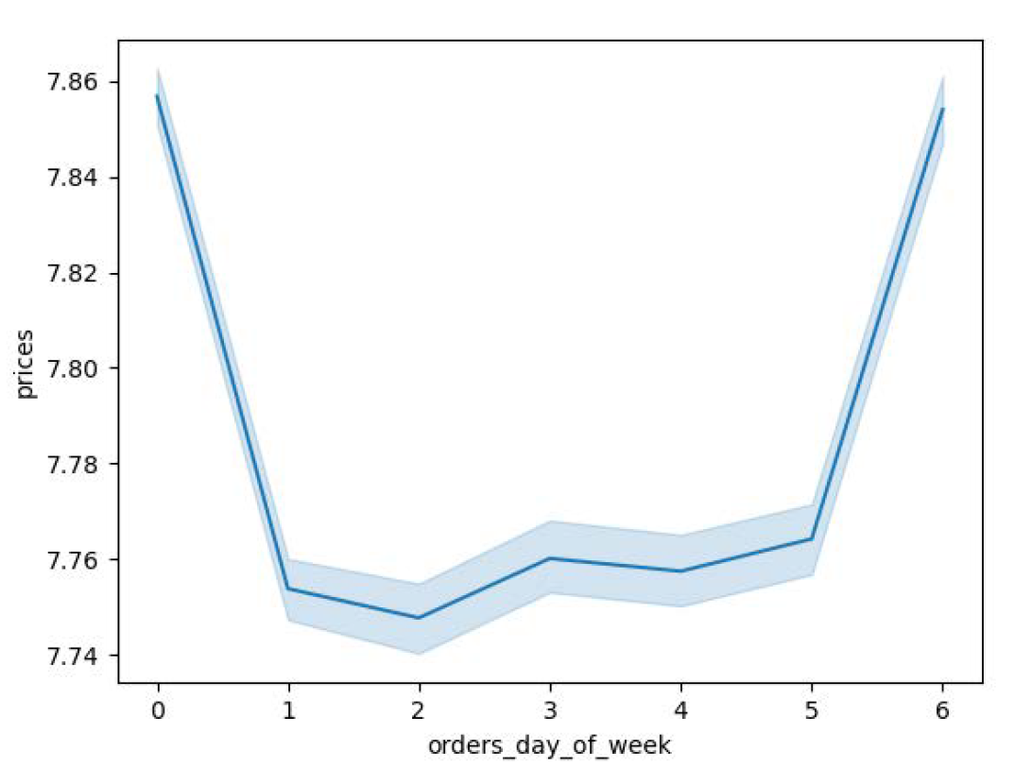
Days of the week on the bottom and a range of product prices on the left. The blue line represents how prices differ depending on the day of the week. The peaks on days zero and six mean that most money is spent on Friday and Saturday. This might be due to people stocking up on things before the weekend. The translucent blue bands on the line are called error bands that represent the charts confidence intervals.In other words, if this line were a prediction, there would be a 95 percent probability that the predicted value would fall within the area of the error bands.

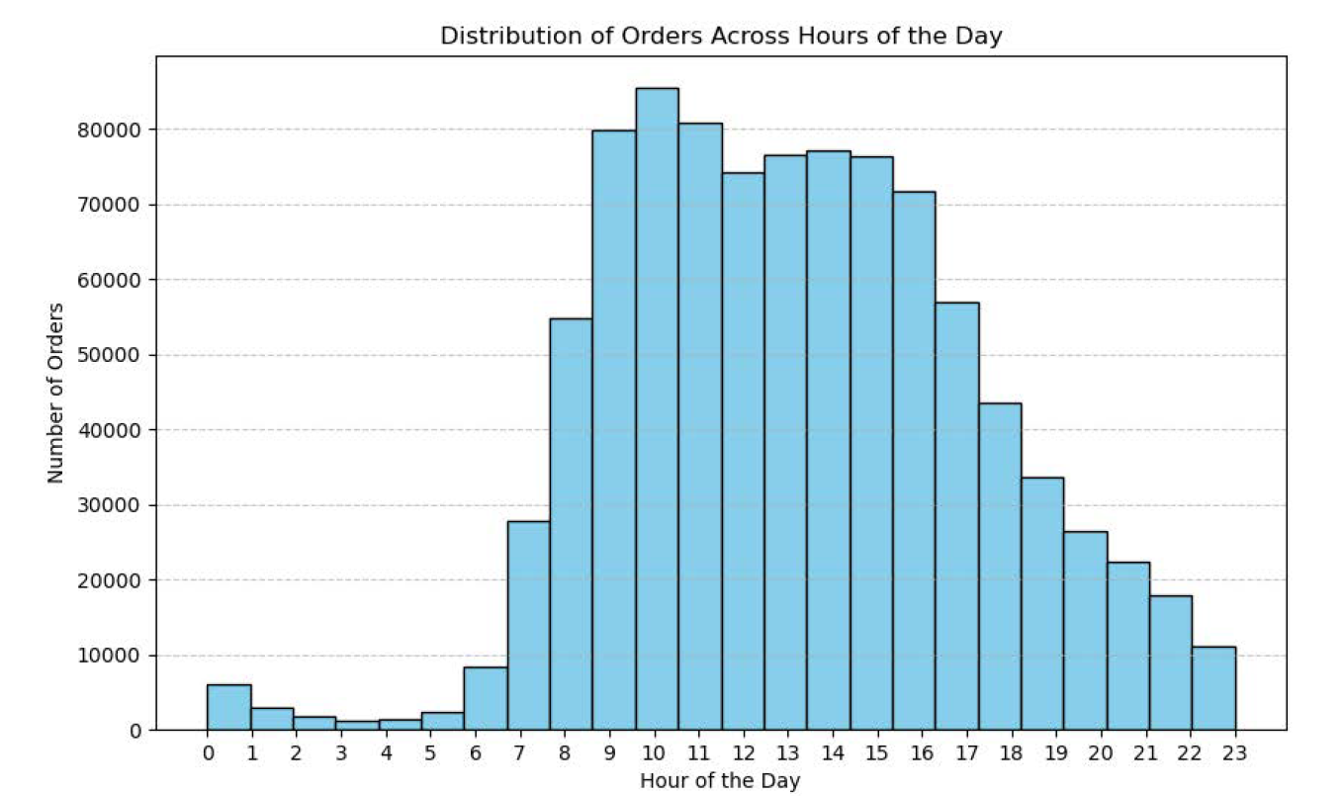
The histagram illustrates a repeating cycle of order trends throughout the day. Starting from the early hours, there's a gradual increase in orders, reaching a peak around 9-10 AM with over 80k orders. Following this, there's a slight decline until around 11 AM, and the pattern continues with a similar cycle until the end of the day. This cyclic trend suggests a consistent, repeating pattern of order activity. My efforts to enhance the chart's clarity aim to make these trends more visually accessible for better insights into daily order fluctuations.

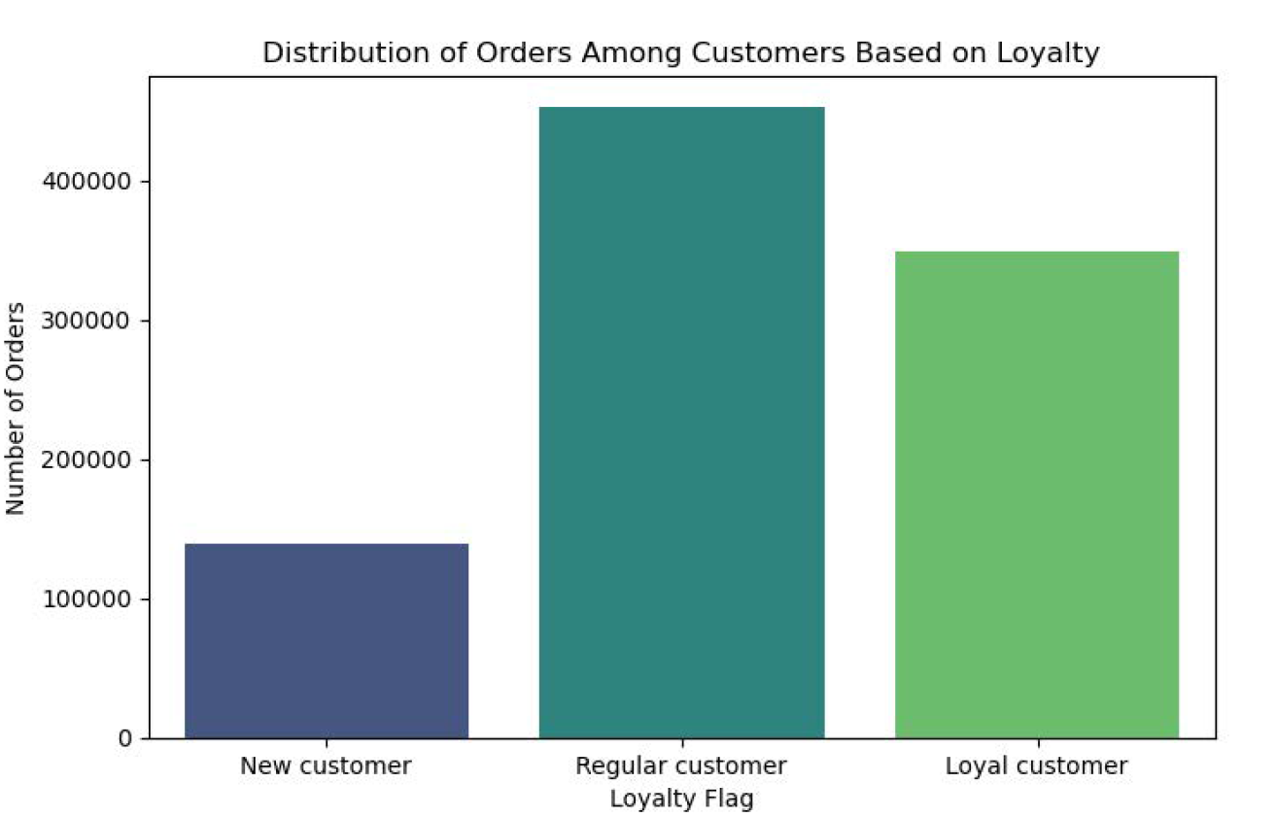

The bar chart provides insights into how different types of customers contribute to orders. Regular customers stand out as the largest group, showing they order the most frequently. Loyal customers follow, indicating a good level of commitment, while new customers also make a noticeable impact. This tells us that keeping existing customers engaged is crucial, and Instacart is successfully attracting new ones too.

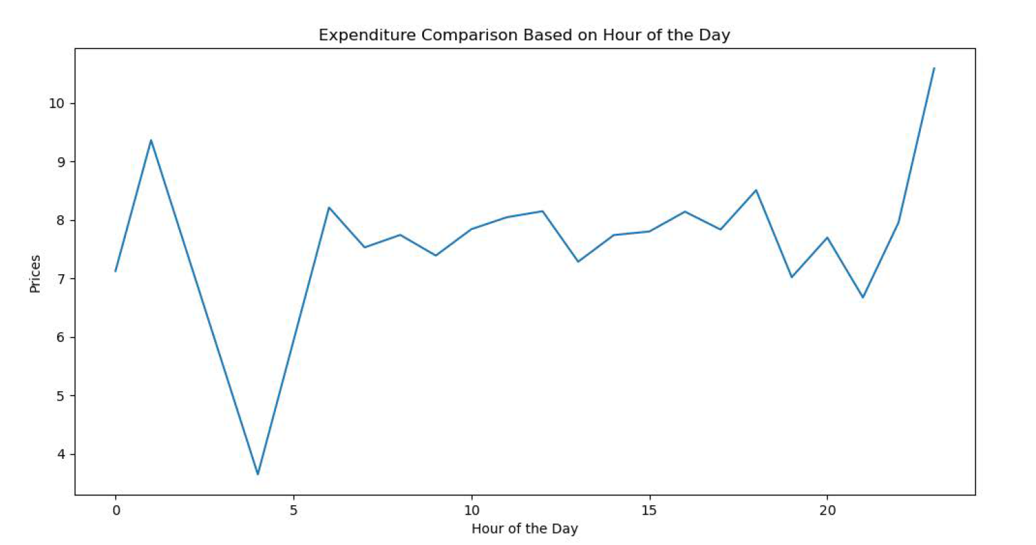

The line chart reveals interesting patterns in expenditure based on the hour of the day. It starts with a noticeable spike around hours 2-3, reaching prices as high as 9. However, this peak is short-lived as expenditure drastically declines to 2-3 around hour 4.5. Following this dip, there is a gradual recovery, stabilizing at around price 8 from hour 6 to 22-23. The most striking observation occurs towards the end of the day, where there's a significant spike in expenditure.
This pattern suggests varying spending behaviors throughout the day, with distinct peaks and troughs. Understanding these trends assist Instacart in tailoring strategies to maximize engagement and cater to different spending preferences across different hours per the request.

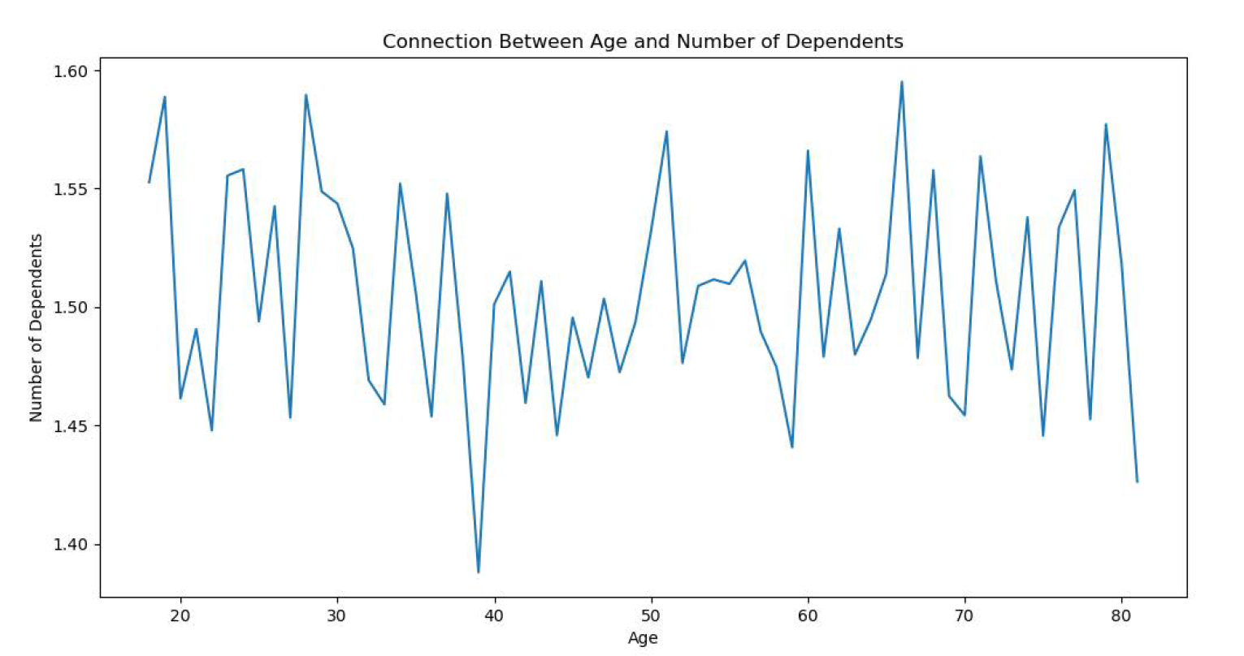

The line chart illustrates the relationship between age and the number of dependents per the request. From the age of 20 to 40, there is a general fluctuation in the number of dependents, with a peak around 1.60 at the age of 25, followed by a decline to approximately 1.45. The age range of 40 to 50 experiences a decrease in the number of dependents to around 1.40, and from 50 onward, there are fluctuations, including a significant spike at around age 70, followed by a decrease at age 80.
These fluctuations suggest that certain age groups may have different patterns in terms of the number of dependents. The spike at age 70 might indicate a specific demographic with a higher number of dependents.
Note: In the process, I retrieved the dropped data from the combined dataframe by merging it with the original customer data. This allowed me to analyze the relationship between age and the number of dependents comprehensively.

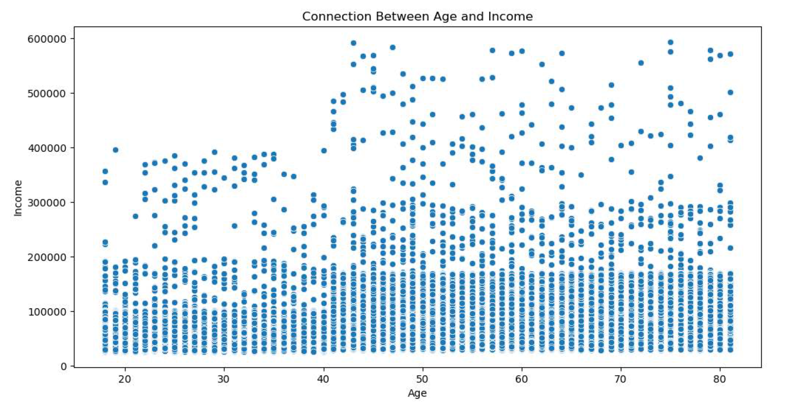

The scatterplot and correlation tell us that, on average, as people get older, they tend to have higher incomes. However, it's important to know that this relationship isn't super strong. The scatterplot shows a general trend of older people having higher incomes, but there's also some variation, meaning not everyone fits this pattern exactly. The average age in the data is about 49 years. Overall, age and income seem to go up together, but it's not a perfect rule..

Salary Levels:
- Hight Salary: 575,342
- Medium Salary: 229,882
- Low salary: 134,691
The salary level distribution among Instacart customers reveals interesting insights. A significant portion of customers falls into the "High Salary" category, constituting the majority with 575,342 customers. This suggests that Instacart has a substantial customer base with higher disposable income, presenting an opportunity to promote premium products or personalized services tailored to this segment.
The "Medium Salary" group, comprising 229,882 customers, represents a sizable portion of the customer base. This group may be more price-conscious compared to the "High Salary" segment, providing an opportunity for Instacart to implement targeted marketing strategies, such as discounts or promotions, to cater to their preferences.
The "Low Salary" category, with 134,691 customers, represents a smaller but still significant portion of the customer base. Understanding the preferences and shopping behaviors of this group can help Instacart tailor its offerings to accommodate budget-conscious customers, potentially through value deals, affordable product options, or promotions.
In summary, the salary level distribution analysis provides valuable insights into the diversity of Instacart's customer base, allowing the company to customize its marketing and product strategies to better meet the needs and preferences of different income segments.
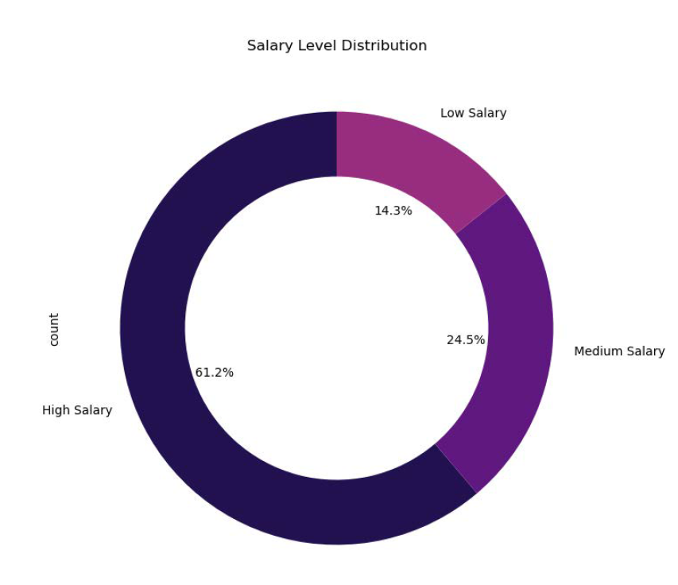

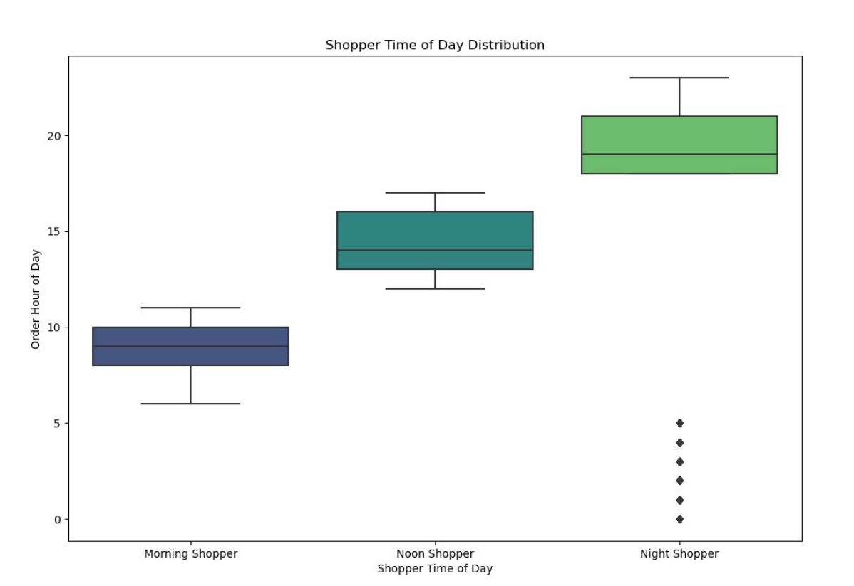

Morning Shoppers: Most orders are concentrated between 8 AM and 10 AM, with a median around 9 AM.
Night Shoppers: Order hours vary widely, with a median around 19:00 (7 PM).
Noon Shoppers: Orders are centered around midday, with a median around 2 PM.
- The boxplot effectively highlights the central tendency and spread of order hours, aiding in the comparison of shopping habits across different times of the day.

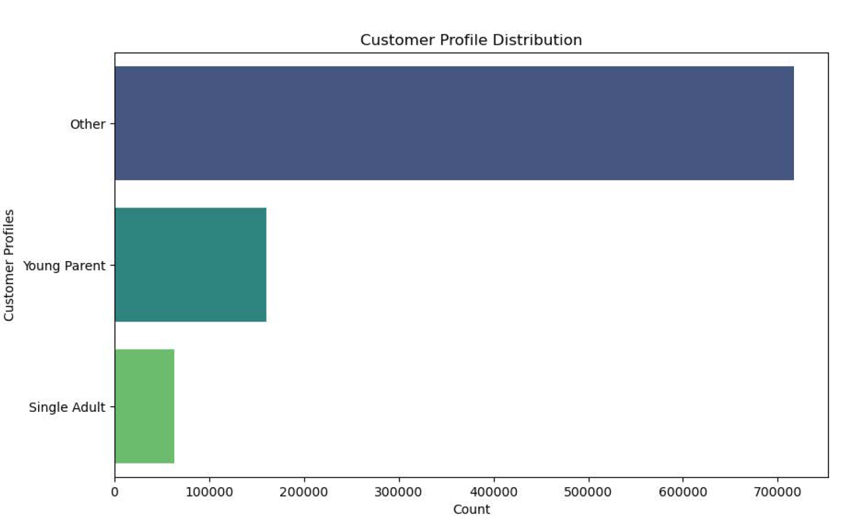

Customer Profile Distribution:
- Other 717,220
- Young Parent 159,895
- Single Adult 62,800
The distribution of customer profiles provides valuable insights for Instacart. The majority of customers fall into the "Other" category, indicating a diverse group with varied characteristics. The "Young Parent" segment, comprising nearly 160,000 customers, represents a significant portion and signifies an audience with distinct needs and preferences. On the other hand, the "Single Adult" group, while smaller in comparison, still forms a notable segment that requires targeted attention. Understanding and catering to the specific preferences and behaviors of these customer profiles can enhance Instacart's marketing and service strategies, leading to more effective and personalized interactions with their diverse customer base.

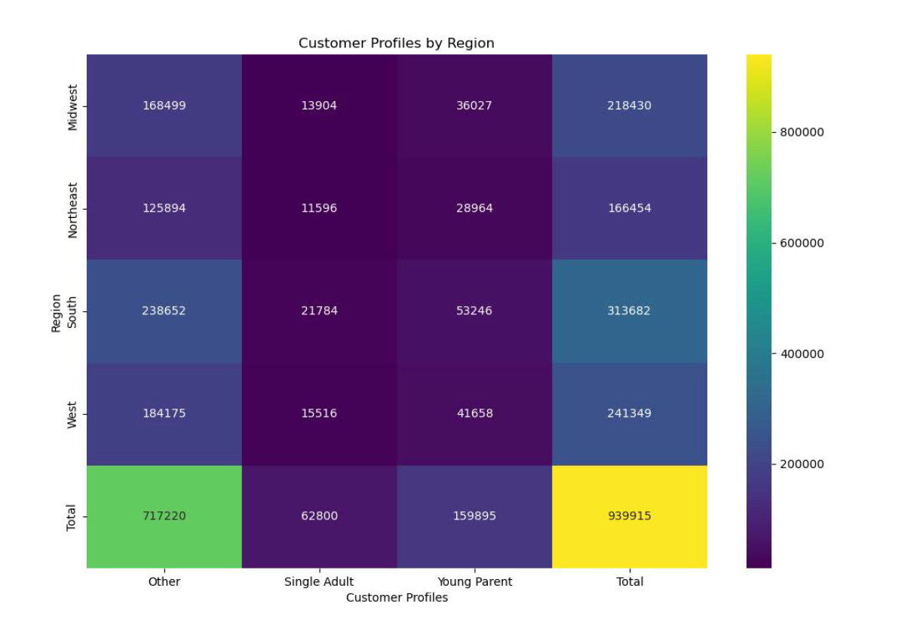

Results for the customer profiles by region reflected on the heatmap:
- Midwest:
Other: 168,499 customers
Single Adult: 13,904 customers
Young Parent: 36,027 customers
Total: 218,430 customers
- Northeast:
Other: 125,894 customers
Single Adult: 11,596 customers
Young Parent: 28,964 customers
Total: 166,454 customers
- South:
Other: 238,652 customers
Single Adult: 21,784 customers
Young Parent: 53,246 customers
Total: 313,682 customers
- West:
Other: 184,175 customers
Single Adult: 15,516 customers
Young Parent: 41,658 customers
Total: 241,349 customers
- Total Across All Regions:
Other: 717,220 customers
Single Adult: 62,800 customers
Young Parent: 159,895 customers
Total: 939,915 customers
Insights:
- The South region has the highest total number of customers, with a significant portion falling into the "Other" category.
- The Midwest and West regions have a similar total number of customers, with the Midwest having a slightly higher number of customers.
- The Northeast region has the smallest total number of customers among the four regions.
- The "Other" customer profile dominates the customer base across all regions, followed by "Young Parent" and "Single Adult."
These insights can help understand the distribution of customer profiles across different regions, which could inform targeted marketing strategies based on regional preferences and behaviors.

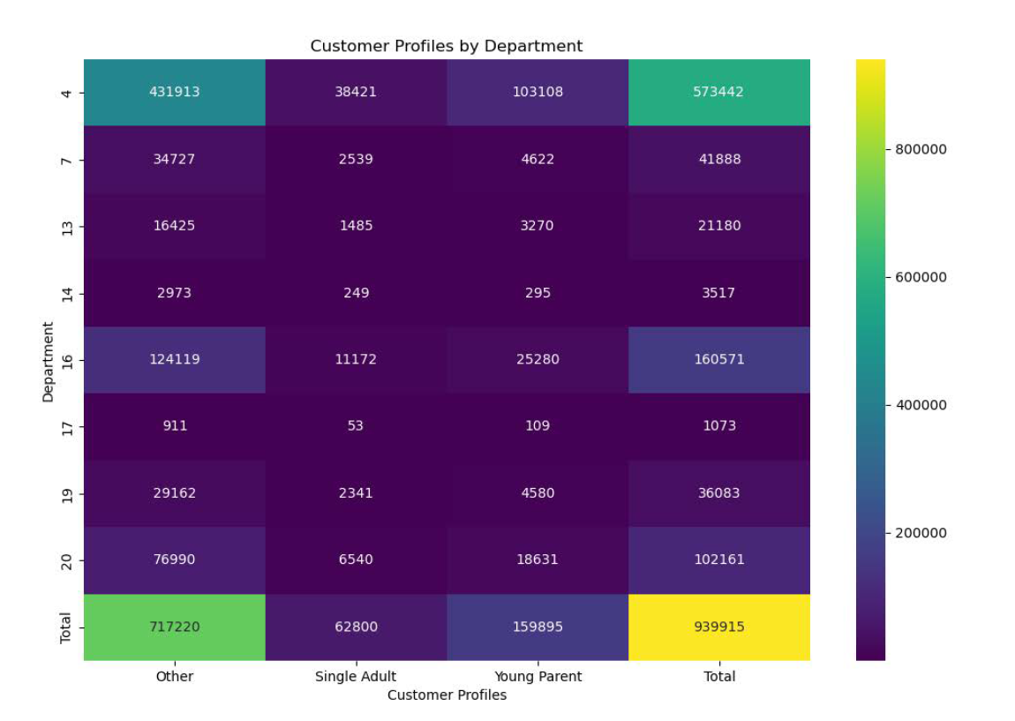

The heatmap reveals the distribution of customer profiles across different Instacart departments. Below the summary for stakeholders:
Department 4 (Produce):
- Dominated by the "Other" profile.
- Substantial orders from Young Parents.
- Single Adults contribute moderately.
Department 7 (Beverages):
- "Other" profile leads.
- Young Parents and Single Adults have smaller shares.
Department 13 (Meat/Seafood):
- Majorly driven by the "Other" profile.
- Young Parents and Single Adults contribute but to a lesser extent.
Department 14 (Pantry):
- Mainly influenced by the "Other" profile.
- Young Parents and Single Adults play smaller roles.
Department 16 (Dairy/Eggs):
- Significantly shaped by the "Other" profile.
- Young Parents show interest, particularly in this department.
Insights:
- Diverse customer base with the "Other" profile prevalent.
- Targeted promotions for Young Parents, especially in Produce and Dairy/Eggs.
- Single Adults engage across departments, offering opportunities for specific promotions.
These findings can guide targeted marketing efforts, optimizing strategies for each department and customer segment.

7. Recommendations
Title page

Recommendations

Question 1: Is there a difference in spending habits among the three types of customers (Loyal, Regular, New)?
- Firstly, there's a noticeable difference in the count of entries for each customer category, with loyal customers having the most, followed by regular customers, and then new customers.
- Moving on to average prices, loyal customers spend approximately $10.39 on average, while new customers tend to spend a bit more at $13.29, and regular customers fall in between at around $12.50.
- Considering variation in spending, both loyal and new customers exhibit significant fluctuations in their purchase amounts, indicating diverse spending patterns. Regular customers also show some variation, but it's comparatively less than the other groups. Examining the price range, all customer types share the same minimum product price of $1.00. The prices at the middle percentiles (25th, 50th, and 75th) are quite similar across all customer categories. Surprisingly, the maximum product price is an unusually high $99,999.00, consistent across all customer types.
In summary, while the average prices are relatively close for all customer types, there's a considerable range in spending among loyal and new customers. The presence of the same maximum price for all customer types is noteworthy, though it raises some questions that may warrant further investigation. Additionally, the disparity in entry counts suggests that more data is available for loyal customers, which could influence our conclusions and should be taken into account in the analysis.
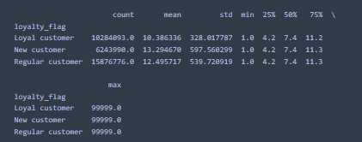

Question 2: How can different types of spenders be targeted in marketing campaigns?
- Created the spending flag for each user based on the average price across all their orders to verify the results. It's evident that a significant portion of users are categorized as "Low spenders," with a count of 31,770,614, compared to "High spenders," which have a count of 634,245. This distribution suggests that the majority of users tend to make purchases with an average product price lower than 10, aligning with the criteria provided in the exercise #6 for being classified as a "Low spender." The marketing team can use this information to tailor their strategies and campaigns, potentially focusing on different approaches for these two distinct groups of users


Question 3: What security implications should be considered for the new data, especially regarding PII?
- Customer Profiling: The dataset include information about customer behavior, such as order frequency, spending habits, loyalty, and demographic details. The loyalty_flag, spending_flag, and order_frequency_flag columns provide insights into customer segmentation.
PII Data: Personally Identifiable Information (PII) such as names (Last Name), Gender, STATE, Age, and income needs to be handled appropriately to comply with data privacy regulations.

Question 4: Is there a difference in spending habits between U.S. regions?
- The South region stands out as having the highest overall customer activity, while the Midwest and Northeast regions show a different distribution between High and Low spenders, emphasizing the importance of regional variations in customer behavior. Further targeted marketing and promotional strategies could be tailored based on these regional insights to optimize Instacart's services.
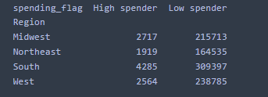

Question 6: How can customer profiling be created based on various factors?
- The South region has the highest total number of customers, with a significant portion falling into the "Other" category.
- The Midwest and West regions have a similar total number of customers, with the Midwest having a slightly higher number of customers.
- The Northeast region has the smallest total number of customers among the four regions.
- The "Other" customer profile dominates the customer base across all regions, followed by "Young Parent" and "Single Adult."
These insights can help understand the distribution of customer profiles across different regions, which could inform targeted marketing strategies based on regional preferences and behaviors.
Review visualitation insights on tab 6 for more details.

Question 7: Can a link be identified between customer profiles, regions, and departments??
-Diverse customer base with the "Other" profile prevalent.
-Targeted promotions for Young Parents, especially in Produce and Dairy/Eggs.
- Single Adults engage across departments, offering opportunities for specific promotions.
These findings can guide targeted marketing efforts, optimizing strategies for each department and customer segment.
Review visualitation insights on tab 6 for more details.

